Assumption log
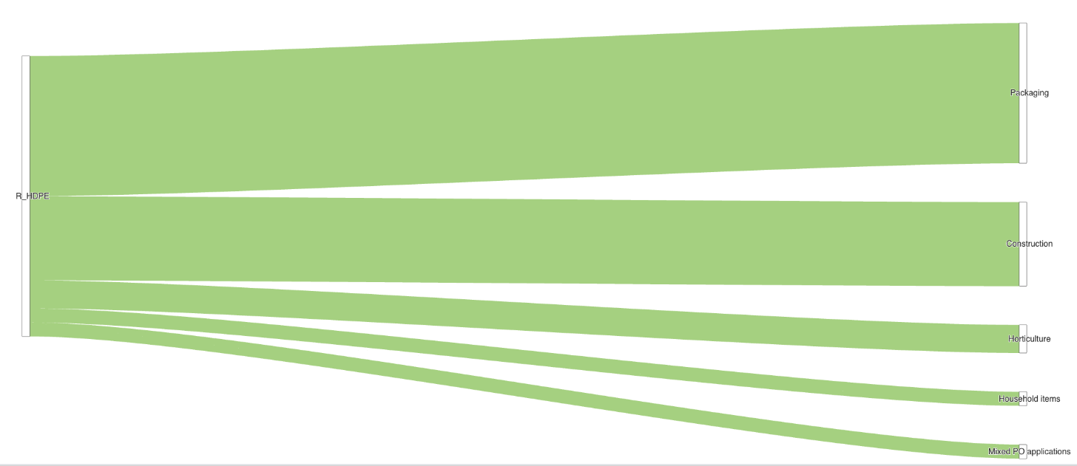
BASELINE MFA ASSUMPTIONS LOG

 | Assumption Quality | GREEN | High Quality | Reliable assumption, well understood and/or documented; anything up to a validated & recent set of actual data.
 |  | AMBER | Mid Quality | Some evidence to support the assumption; may vary from a source with poor methodology to a good source that is a few years old.
 |  | RED | Low Quality | Little evidence to support the assumption; may vary from an opinion to a limited data source with poor methodology.

 | The general approach taken to produce this static MFA for UK plastic packaging 2014-23, is to estimate total tonnages for a given flow and then break this down into polymers based on best available compositional data for that flow.

 | Assumption ID | material relating to in the observatory | product relating to in the observatory | Assumption description | source(s) (ID used where source is listed in metadata catalogue, otherwise name) | Reporter | Flow group ID (see sankey diagrams below) | used_in_baseline_model | Link to scripts | date_of_last_update | quality_rating_RAG (1-4 scoring, with 4 highest) | RAG Explanation (see also observation-level scoring) | impact_rating (Low/Medium/High - based on relative effect on tonnages in a given year)
 | PLASTIC_1 | Plastic | Packaging | Defra official time series data on plastic packaging waste generated is taken as the basis to estimate plastic packaging POM. Because packaging has a lifetime typically shorter than a year, POM values are often used interchangeably to estimate waste generated (WG) and vice versa. Using POM figures to proxy WG was an accepted method in EU reporting that the UK used to be party to under Commission Decision of 22 March 2005 'Establishing the Formats Relating to the Database System Pursuant to Directive 94/62/EC of the European Parliament and of the Council on packaging and Packaging Waste (Notified Under Document Number C(2005) 854) (Text with EEA relevance) (2005/270/EC)' (Eunomia, 2018). As a means of validation, a sales-lifetime model using a gaussian distribution and assuming a mean lifespan of 0.5 years and a standard deviation of 0.1 is also used to estimate WG based on the POM figures and which produces the same result as assuming POM = WG within the same period e.g. year. | 0038 | Oliver Lysaght | 1 | Yes | https://github.com/OliverLysa/ce_observatory_data_scripts/blob/main/plastics/data_extraction_scripts/defra_packaging.R https://github.com/OliverLysa/ce_observatory_data_scripts/blob/main/plastics/baseline_model/01_placed_on_market.R | 13/03/25 | GREEN | Offical UK-level data is used directly that has undergone external QA and no estimation is required for any years as taken directly from the source. POM = WG is an accepted assumption in reporting on packaging. | H
 | PLASTIC_2 | Plastic | Packaging | Wrap/Valpak data is used to disaggregate the total plastic packaging POM and WG (from assumption PLASTIC_1) into end uses, applications, and polymers. This is done by converting the reported breakdowns by Wrap/Valpak into percentage terms of total plastic packaging captured in the source and multiplying these percentages by the total POM/WG figures derived from assumption PLASTIC_1. To ensure there are percentages for all years to multiply against and not only those years where data are published by Wrap/Valpak (2022, 2021, 2019, 2017), for the years where data are not available, the absolute values in each packaging sub-category are estimated based on straight line interpolation where there are two years with data either side of a year without, and naive extrapolation (back casting or forecasting) is used where only a lower or higher year is available. For example, for 2023 - naive extrapolation of the figures for 2022 are used. For 2020, these values are calculated based on straight line interpolation between 2021 and 2019. | 0047 | Oliver Lysaght | 1 | Yes | https://github.com/OliverLysa/ce_observatory_data_scripts/blob/main/plastics/baseline_model/01_placed_on_market.R https://github.com/OliverLysa/ce_observatory_data_scripts/blob/main/plastics/baseline_model/plastic_packaging_composition.xlsx | 13/03/25 | AMBER | Valpak and Wrap publish ‘Market Situation’ and ‘PackFlow’ reports which include compositional data on plastic packaging placed on the UK market derived from Valpak’s proprietary ‘EPIC Database’. Composition figures captured in the series of reports (covering polymer, format and end use category) have become more detailed over time, with the current highest level of detail available since the reporting year 2017. Less detailed breakdowns are available from reports published prior to 2018 e.g. the Plastics Market Situation Report 2016, however naive backcasting is used for years 2017 and prior. The data has a comprehensive communication of methodological approach and data quality and undergoes peer review. Interpolation and extrapolation is required to fill years for which there is no composition data, introducing possible error. | H
 | PLASTIC_3 | Plastic | Packaging | Littering is assumed to make up 4% of plastic packaging waste generated in all years. This is taken as an average (rounded to the nearest whole number) from a Eunomia 2018 report (7%, UK, 2018) and Iacovidou et al. 2020 report (0.4%-0.6%, England, 2010/11). Polymer breakdown for littering equals WG composition in a given year - 4% applied to each polymer. | 0076; 0088 | Oliver Lysaght | 3 | Yes | https://github.com/OliverLysa/ce_observatory_data_scripts/blob/main/plastics/baseline_model/03_collection_eol.R | 13/03/25 | AMBER | England data is used as a proxy for the UK. A fixed assumption is unlikely to be realistic, and potentially less and less accurate the further from the reference years from the sources the model shows. | L
 | PLASTIC_4 | Plastic | Packaging | Illegal collection is assumed to be equal to dumping in all years (see assumption PLASTIC_5). The material composition is based on the composition of POM/WG in each given year. | 0088 | Oliver Lysaght | 4 | Yes | https://github.com/OliverLysa/ce_observatory_data_scripts/blob/main/plastics/baseline_model/03_collection_eol.R | 13/03/25 | AMBER | England data is used as a proxy for the UK. A fixed assumption is unlikely to be realistic, and potentially less and less accurate the further from the reference year from the source the model shows. Figures have been sense-checked against another estimate - published fly-tipping data and seen reasonable. | L
 | PLASTIC_5 | Plastic | Packaging | Dumping is assumed to represent 0.6% of waste generated in all years based on Iacovidou et al. (2020). This is cross-checked against fly-tipping statistics published by Defra for England and implied figures seem reasonable. Polymer breakdown for dumping and illegal collection equals WG composition in a given year. | 0088 | Oliver Lysaght | 4 | Yes | https://github.com/OliverLysa/ce_observatory_data_scripts/blob/main/plastics/baseline_model/03_collection_eol.R | 13/03/25 | AMBER | England data is used as a proxy for the UK. A fixed assumption is unlikely to be realistic, and potentially less and less accurate the further from the reference year from the source the model shows. Figures have been sense-checked against another estimate - published fly-tipping data and seen reasonable. | L
 | PLASTIC_6 | Plastic | Packaging | Legal collection (i.e. WG subtract collected for dumping/dumping and littering) is split into LA collection and non-LA collection based on the quantity of local authority waste reported as collected in England in relation to total waste generation in England excluding construction waste (assumed to not contain significant quantities of plastic packaging while including construction makes figures particularly unrealistic). These two values are summed and then calculated as a share of 1 to then apply these shares to the WG excl. dumping and littering and partition it into collection routes. | 0086; 0072 | Oliver Lysaght | 2 | Yes | https://github.com/OliverLysa/ce_observatory_data_scripts/blob/main/plastics/baseline_model/03_collection_eol.R ; https://github.com/OliverLysa/ce_observatory_data_scripts/blob/main/plastics/data_extraction_scripts/LACW%20-%20Defra%20summary%20statistics%2C%20composition.R ; https://github.com/OliverLysa/ce_observatory_data_scripts/blob/main/plastics/data_extraction_scripts/UK_stats_on_waste.R | 13/03/25 | RED | England-level data (on LA-collection and WG)is used as a proxy for the UK. The split of WG into legal collection routes is especially weak as relies on WG data and for all materials (not just plastic packaging). Official data nevertheless used within the calculation. | L
 | PLASTIC_7 | Plastic | Packaging | Sent to sorting is calculated as the sum of net received and net exports for recycling based on NPWD data, plus the quantity of estimated rejects based on MF Regs data (see assumption PLASTIC_10). Composition reflects estimates for composition at the recycling stage (rejects assumed to be the same). | 0047; 0084; 0048 | Oliver Lysaght | 5 | Yes | https://github.com/OliverLysa/ce_observatory_data_scripts/blob/main/plastics/baseline_model/03_collection_eol.R ; https://github.com/OliverLysa/ce_observatory_data_scripts/blob/main/plastics/baseline_model/04_packaging_sankey_outturn.R ; https://github.com/OliverLysa/ce_observatory_data_scripts/blob/main/plastics/data_extraction_scripts/MF_data.R ; https://github.com/OliverLysa/ce_observatory_data_scripts/tree/main/plastics/data_extraction_scripts/NPWD_data_tables | 13/03/25 | AMBER | Both UK-level (absolute tonnages into recycling from NPWD) and England-level data (MF Regs data for assumption of rejects) inputs feed into this assumption. Overall, quality weakened most by the rejects assumption. Otherwise the tonnages to recycling are noted as likely the most robust data available on recycling. The split of where the materials come from (LA or non-LA) shares weakneses associated with assumption 6. | M
 | PLASTIC_8 | Plastic | Packaging | The total quantity of plastic packaging recycled domestically is taken directly from NPWD recycling data for the UK filtering to the net_received variable. Composition at this stage is estimated using a constructed conversion table between the NPWD categories and the polymers. Initially a conversion based on: HDPE bottle in NPWD - 1 to 1 match to groups used in the sankey, PET bottles - 1 to 1 match, Mixed - bottles - takes polymer breakdown for equivalent years' bottles POM excl. HDPE and PET, PTT - takes polymer breakdown from equivalent years' PTT polymer BOM, Packaging film - takes polymer breakdown from equivalent years' film BOM, Other - takes polymer breakdown from equivalent years' 'other' BOM. For pre-2020 data, which has a less granular classification in NPWD, initially assumed 100% packaging mapped to a percentage for all categories but other in the POM data and other - Split of other. However, this led to over-estimation of recycling some some polymers compared against the previous sankey. Manual adjustments to the conversion table were made to further align the data with that in the prior sankey. | 0047; 0084 | Oliver Lysaght | 8 | Yes | https://github.com/OliverLysa/ce_observatory_data_scripts/blob/main/plastics/baseline_model/03_collection_eol.R ; https://github.com/OliverLysa/ce_observatory_data_scripts/blob/main/plastics/baseline_model/04_packaging_sankey_outturn.R ; https://github.com/OliverLysa/ce_observatory_data_scripts/blob/main/plastics/data_extraction_scripts/MF_data.R ; https://github.com/OliverLysa/ce_observatory_data_scripts/tree/main/plastics/data_extraction_scripts/NPWD_data_tables | 13/03/25 | AMBER | UK-level data is used, and data are available for every year. The National Packaging Waste Database is an online platform used by obligated businesses and compliance schemes to register with DA-level environment agencies and for preprocessors and exporters to submit quarterly returns on, and issue, EPRNS and ePERNs. Since 2020, the NPWD has included a more detailed breakdown of the material makeup of plastic packaging recycled based on sampling. A custom approach to map the categories in the NPWD to the polymer categories used in the sankey is required. | M
 | PLASTIC_9 | Plastic | Packaging | The total quantity of plastic packaging recycled overseas is taken directly from NPWD recycling data filtering to the net_exported variable. See description for assumption 8 for information on composition. | 0047; 0084 | Oliver Lysaght | 8 | Yes | https://github.com/OliverLysa/ce_observatory_data_scripts/blob/main/plastics/baseline_model/03_collection_eol.R ; https://github.com/OliverLysa/ce_observatory_data_scripts/blob/main/plastics/baseline_model/04_packaging_sankey_outturn.R ; https://github.com/OliverLysa/ce_observatory_data_scripts/blob/main/plastics/data_extraction_scripts/MF_data.R ; https://github.com/OliverLysa/ce_observatory_data_scripts/tree/main/plastics/data_extraction_scripts/NPWD_data_tables | 13/03/25 | AMBER | UK-level data is used, and data are available for every year. The National Packaging Waste Database is an online platform used by obligated businesses and compliance schemes to register with DA-level environment agencies and for preprocessors and exporters to submit quarterly returns on, and issue, EPRNS and ePERNs. Since 2020, the NPWD has included a more detailed breakdown of the material makeup of plastic packaging recycled based on sampling. A custom approach to map the categories in the NPWD to the polymer categories used in the sankey is required. | M
 | PLASTIC_10 | Plastic | Packaging | Recycling rejects are calculated based on MF-Regs sampling data for England. The output sheet in the data is used, filtering specifically to plastics and an average is taken across the two years for which data is available (2020 & 2021) which is then applied to all years in the MFA. Composition assumed to be the same as entering overseas recycling/domestic recycling. | 0047; 0084; 0048 | Oliver Lysaght | 7 | Yes | https://github.com/OliverLysa/ce_observatory_data_scripts/blob/main/plastics/baseline_model/03_collection_eol.R ; https://github.com/OliverLysa/ce_observatory_data_scripts/blob/main/plastics/baseline_model/04_packaging_sankey_outturn.R ; https://github.com/OliverLysa/ce_observatory_data_scripts/blob/main/plastics/data_extraction_scripts/MF_data.R ; https://github.com/OliverLysa/ce_observatory_data_scripts/tree/main/plastics/data_extraction_scripts/NPWD_data_tables | 13/03/25 | AMBER | England-level data inputs to this assumption. Fixed assumption used from MF reporting (average of two years of data published by the EA), which won't capture changes over time. Sampling errors are not captured here. ‘Materials facilities are regulated waste operations that receive over 1,000 tonnes of waste a year and separate it into specified output material such as glass, metal, paper, or plastic to allow this material to be recycled by other facilities or persons.’ (EA, ). Since the 2020 reporting year, the EA has published sampling data from England ‘Materials Facilities’ -i.e. regulated waste operations that receive over 1,000 tonnes of waste a year and separate it into specified output material such as glass, metal, paper, or plastic to allow this material to be recycled by other facilities or persons’. This is sometimes referred to as ‘MF Regs’ data and is reported under requirements within Part 2 of Schedule 9 of the Environmental Permitting (England and Wales) Regulations 2016. From the MF Regs data, we can better understand both the material inputs and outputs of regulated in scope waste operations, including by EA region. On the input side, it is possible to make an estimate of the percentage (by weight) of target material received. Across all materials, this stood at 82.5% in 2021, a similar level to the year prior. On the output side, the average percentage (by weight) of target materials for plastics stood at 89.4% in 2021, down slightly from 89.9% in 2020. | L
 | PLASTIC_11 | Plastic | Packaging | The quantity sent to domestic residual treatment is calculated as a residual, and specifically WG excluding littering and collected for dumping/dumping, subtract the quantity sent for sorting (which is a function of net exports for recycling, net domestic treatment and losses). It's inflow from either LA or non-LA collection is based on the splits in Assumption 6. Composition across polymers is therefore closely linked to that assumed at sorting (see assumption PLASTIC_7). | 0047; 0086; 0071 | Oliver Lysaght | 6 | Yes | https://github.com/OliverLysa/ce_observatory_data_scripts/blob/main/plastics/baseline_model/03_collection_eol.R ; https://github.com/OliverLysa/ce_observatory_data_scripts/blob/main/plastics/baseline_model/04_packaging_sankey_outturn.R ; https://github.com/OliverLysa/ce_observatory_data_scripts/blob/main/plastics/data_extraction_scripts/MF_data.R ; https://github.com/OliverLysa/ce_observatory_data_scripts/tree/main/plastics/data_extraction_scripts/NPWD_data_tables | 13/03/25 | AMBER | The quality of this assumption is a function of associated flows as the flow is calculated as a residual of first WG - litter - dumping, and then subtracting the quanitty sent to sorting. It links therefore to assumptions PLASTIC 3,4,5,7,8,9,10, which draw on a mix of UK and England-level data. Recycling data drawn on is relatively strong, rejects, dumping and littering, relatively weak including due to using fixed assumptions. | M
 | PLASTIC_12 | Plastic | Packaging | The split of domestic residual treatment into landfill or incineration is calculated based on LACW treatment data for England published by Defra. The categories other and recycling/compost are excluded, then landfill and incineration summed and each category calculated as a share of that total to be applied to the quantity sent to domestic residual treatment. Composition is assumed to be the same across either flow as entering domestic residual treatment. | 0047; 0086; 0071 | Oliver Lysaght | 9 | Yes | https://github.com/OliverLysa/ce_observatory_data_scripts/blob/main/plastics/baseline_model/03_collection_eol.R ; https://github.com/OliverLysa/ce_observatory_data_scripts/blob/main/plastics/baseline_model/04_packaging_sankey_outturn.R ; https://github.com/OliverLysa/ce_observatory_data_scripts/blob/main/plastics/data_extraction_scripts/MF_data.R ; https://github.com/OliverLysa/ce_observatory_data_scripts/tree/main/plastics/data_extraction_scripts/NPWD_data_tables | 13/03/25 | AMBER | This assumption to split residual waste into its treatment routes is based on England-level data, and only LA-treatment data. Nation-wide treatment data was also explored, including filtering to the EWC-STAT (07.4 - Plastic wastes) however this appeared to show a higher landfilling rate than otherwise seen in reports on plastic packaging, and rather LA-level treatment data was selected instead as a proxy. These data are nevertheless official statistics. | M
 | PLASTIC_13 | Plastic | Packaging | The split of recycling sent overseas into final destinations is based on HMRC trade data for the trade codes 391510, 391530, 391590. These categories for plastic waste are assumed to be largely made up of plastic packaging and a good proxy. NetMass is filtered to and summed across trade codes. Then the top 9 individual destinations in each year are derived, with a final 'other' category calculated as the residual of all other destinations. These are converted into a percentage and applied to the overseas recycling figure. Composition for each end-destination country mirrors that entering the overseas recycling node. | 0047; 0084; 0085 | Oliver Lysaght | 10 | Yes | https://github.com/OliverLysa/ce_observatory_data_scripts/blob/main/plastics/baseline_model/03_collection_eol.R ; https://github.com/OliverLysa/ce_observatory_data_scripts/blob/main/plastics/baseline_model/04_packaging_sankey_outturn.R ; https://github.com/OliverLysa/ce_observatory_data_scripts/blob/main/plastics/data_extraction_scripts/plastics_trade.R | 13/03/25 | GREEN | The trade data is UK-level, published annually and offical data. Trade codes representing plastic waste generally (i.e. not just packaging) are used to make the split - meaning values deviates from the technology or product of interest here precisely, but rough correlations can be established and it is likely packaging makes up a big part of these trade codes. | M
 | PLASTIC_14 | Plastic | Packaging | End uses from domestically recycled plastics are based on a single year's data in the latest packflow report (2023 refresh) from Wrap/Valpak which covers 4 polymers' end uses (linked to in the data sources tab). This split is assumed for all years and applied to the calculated domestic recycled polymers for which there are data. | 0047; 0084 | Oliver Lysaght | 11 | Yes | https://github.com/OliverLysa/ce_observatory_data_scripts/blob/main/plastics/baseline_model/03_collection_eol.R ; https://github.com/OliverLysa/ce_observatory_data_scripts/blob/main/plastics/baseline_model/04_packaging_sankey_outturn.R | 13/03/25 | RED | A UK-level fixed assumption used for all years. Valpak highlights possible inaccuracies with the data, so should be viewed as indicative. | L

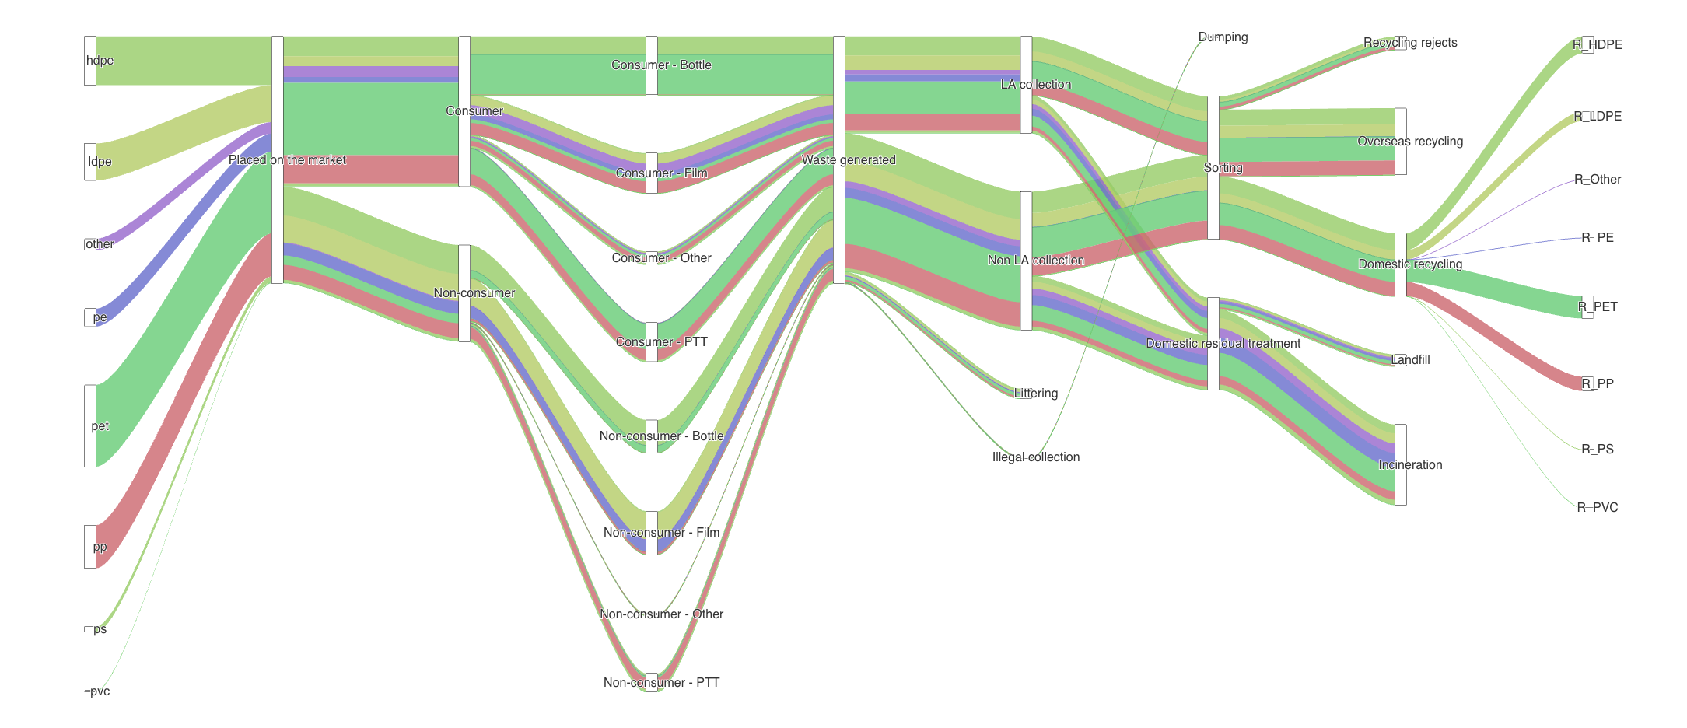
Flow group 5
Flow group 1
Flow group 2
Flow group 3
Flow group 4
Flow group 9
Flow group 7
Flow group 8
Flow group 4
Flow group 6

 | Flow group 10
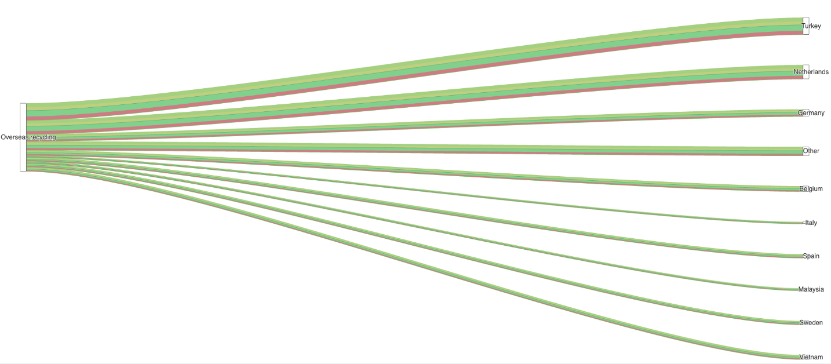

 | Flow group 11

Data sources
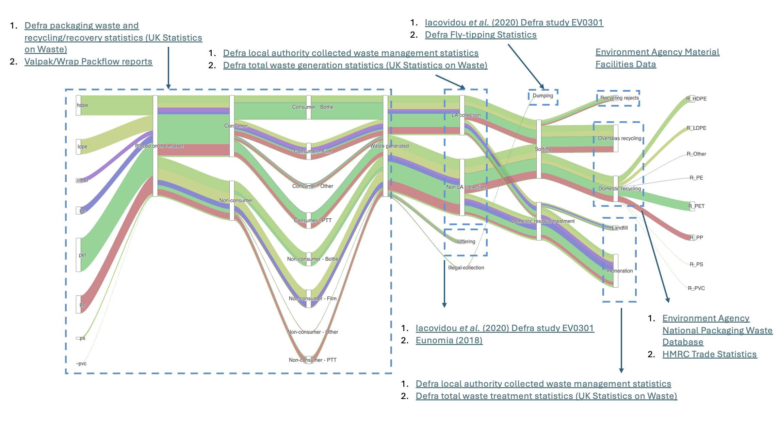
DATA SOURCE LIST

 | NAME%-%Identifier | NAME%-%Repository searched/route to find source | NAME%-%Data source name | NAME%-%Link to source | NAME%-%Source description | PUBLISHER%-%Producer/final compiler | PUBLISHER%-%Publisher | ACCESS%-%Universal access | ACCESS%-%Free access | ACCESS%-%Data format | ACCESS%-%Data license | INPUT REQUIREMENT MAPPING%-%Materials specified in the source | INPUT REQUIREMENT MAPPING%-%Products specified in source | INPUT REQUIREMENT MAPPING%-%Material and product completeness | INPUT REQUIREMENT MAPPING%-%Processes specified in the source | INPUT REQUIREMENT MAPPING%-%Process completeness | INPUT REQUIREMENT MAPPING%-%Unit | SPATIAL COVERAGE AND DETAIL%-%Geographical coverage | SPATIAL COVERAGE AND DETAIL%-%Geographical disaggregation | TIMELINESS%-%Period covered | TIMELINESS%-%Lag time | TIMELINESS%-%Update frequency | TIMELINESS%-%Update planned? | QUALITY%-%Communication of methodology and data quality | QUALITY%-%Stated and accredited quality assurance | QUALITY%-%Code for producing the data made available | DATA%-%Link to script for data extraction | MODEL%-%Taken forward for model construction? | MODEL%-%For which material and product
 | 0038 | CEDMC | UK Statistics on Waste - packaging waste and recycling/recovery statistics | https://www.gov.uk/government/statistics/uk-waste-data | Figures compiled on the total waste generated for the whole of the UK. | Department for Environment, Food and Rural Affairs | Department for Environment, Food and Rural Affairs | Yes | Yes | ODS | OGL | Plastic | Packaging | 90.00 | Placed on the market;Waste generated;Recycling | 90.00 | Tonnes | UK | None | 2012;2013;2014;2015;2016;2017;2018;2019;2020;2021;2022;2023 | 1 | Annual; Biennial | Yes | Comprehensive | Official statistics | No | https://github.com/OliverLysa/ce_observatory_data_scripts/blob/main/plastics/data_extraction_scripts/defra_packaging.R | Yes | Plastic packaging
 | 0047 | CEDMC | PackFlow reports | https://www.valpak.co.uk/more/material-flow-reports | PackFlow reports cover glass, metals, paper, plastic and wood and are designed to quantify how much packaging is placed on the UK market (POM) and the recycling rate. | WRAP | WRAP | Yes | Yes | PDF | Bespoke T&Cs | Plastic | Packaging | 100.00 | Placed on the market | 100.00 | Tonnes; % | UK | None | 2017;2019;2021;2022 | Varies | Ad-hoc | Ad hoc | Comprehensive | Informal peer review | No | https://github.com/OliverLysa/ce_observatory_data_scripts/blob/main/cleaned_data/plastic_packaging_composition.xlsx | Yes | Plastic packaging
 | 0048 | CEDMC | Materials Facility Waste Returns Data | https://www.data.gov.uk/dataset/31ba3cae-a7fa-46fd-9ee9-922c2035e963/materials-facility-waste-returns-data-january-to-december-2021 | Material quality supplied by materials recovery facilities. | Environment Agency | Environment Agency | Yes | Yes | XLSX | Environment Agency Conditional Licence | Plastic | Packaging | 60.00 | Recycling rejects | 60.00 | Tonnes; % | England | Region | 2020; 2021 | 2 | Annual | Yes | None | Administrative checking | No | https://github.com/OliverLysa/ce_observatory_data_scripts/blob/main/plastics/data_extraction_scripts/MF_data.R | Yes | Plastic packaging
 | 0084 | CEDMC | National packaging waste database (packaging reports - recycling and recovery tables) | https://npwd.environment-agency.gov.uk/Public/PublicReports.aspx | Used by obligated businesses and compliance schemes to register with DA-level environment agencies and for preprocessors and exporters to submit quarterly returns on, and issue, EPRNS and ePERNs. | Environment Agency | Environment Agency | Yes | Yes | XLS; XLSX | OGL | Plastic | Packaging | 95.00 | Placed on market;Recycling | 95.00 | Tonnes | UK | None | 2006;2007;2008;2009;2010;2011;2012;2013;2014;2015;2016;2017;2018;2019;2020;2021;2022;2023;2024 | 0.5 | Monthly; Quarterly; Annual | Yes | None | Administrative checking | No | https://github.com/OliverLysa/ce_observatory_data_scripts/blob/main/plastics/NPWD.R | Yes | Plastic packaging
 | 0085 | CEDMC | Overseas Trade Statistics (OTS)/Regional Trade Statistics (RTS) | https://www.uktradeinfo.com/ | Imports, exports, commodities and traders from the UK | Her Majesty’s Revenue and Customs | Her Majesty’s Revenue and Customs | Yes | Yes | CSV; API | Not stated | Plastic | NA | 100.00 | Trade | 100.00 | Tonnes; Units; GBP | UK | Nation | 2000;2001;2002;2003;2004;2005;2006;2007;2008;2009;2010;2011;2012;2013;2014;2015;2016;2017;2018;2019;2020;2021;2022;2023;2024 | 0.1 | Monthly | Yes | Comprehensive | Official accredited statistics | No | https://github.com/OliverLysa/ce_observatory_data_scripts/blob/main/plastics/data_extraction_scripts/plastics_trade.R | Yes | Plastic packaging
 | 0086 | CEDMC | Local authority collected waste management - annual results (Local authority collected waste generation annual results) | https://www.gov.uk/government/statistics/local-authority-collected-waste-management-annual-results |  |  |  | Yes | Yes | ODS | OGL | NA | NA | 100.00 | Waste collection;Waste Treatment | 100.00 | Tonnes | England | LA | 2000;2001;2002;2003;2004;2005;2006;2007;2008;2009;2010;2011;2012;2013;2014;2015;2016;2017;2018;2019;2020;2021;2022 | 1 | Annual | Yes | Comprehensive | Official accredited statistics | No | https://github.com/OliverLysa/ce_observatory_data_scripts/blob/main/plastics/data_extraction_scripts/LACW%20-%20Defra%20summary%20statistics%2C%20composition.R | Yes | Plastic packaging
 | 0076 | Google search | Eunomia (2018) A plastic future: Plastics consumption and waste management in the UK | https://www.wwf.org.uk/sites/default/files/2018-03/WWF_Plastics_Consumption_Report_Final.pdf |  |  |  | Yes | Yes | PDF | Not stated | Plastic | Packaging | 100.00 | Littering | 100.00 | Tonnes; % | UK | None | 2018 | 2 | Ad-hoc | No | Some | Informal peer review | No | NA | Yes | Plastic packaging
 | 0088 | Defra science search | Iacovidou et al. (2020) EV0301 - Multidimensional Value Metrics for Assessing England's Plastic Packaging System and Monitoring Associated Targets |  |  |  |  | Yes | Yes | PDF | Copyright | Plastic | Packaging | 100.00 | Littering;Dumping | 100.00 | Tonnes; GBP | England | None | 2010 | 8 | Ad-hoc | No | Comprehensive | Informal peer review | No | NA | Yes | Plastic packaging
 | 0071 | CEDMC | UK Statistics on Waste - waste treatment table | https://www.gov.uk/government/statistics/uk-waste-data | Figures compiled on treatment of waste for the UK. | Department for Environment, Food and Rural Affairs | Department for Environment, Food and Rural Affairs | Yes | Yes | ODS | OGL | NA | NA | 90.00 | Waste Treatment | 90.00 | Tonnes | England | None | 2012;2012;2014;2016;2018;2020;2022 | 2 | Annual | Yes | Comprehensive | Official statistics | No | https://github.com/OliverLysa/ce_observatory_data_scripts/blob/main/plastics/data_extraction_scripts/UK_stats_on_waste.R | Yes | Plastic packaging
 | 0072 | CEDMC | UK Statistics on Waste - waste generation table | https://www.gov.uk/government/statistics/uk-waste-data | Figures compiled on the total waste generated for the whole of the UK. | Department for Environment, Food and Rural Affairs | Department for Environment, Food and Rural Affairs | Yes | Yes | ODS | OGL | NA | NA | 90.00 | Waste Collection | 90.00 | Tonnes | England | None | 2012;2012;2014;2016;2018;2020;2022 | 2 | Annual | Yes | Comprehensive | Official statistics | No | https://github.com/OliverLysa/ce_observatory_data_scripts/blob/main/plastics/data_extraction_scripts/UK_stats_on_waste.R | Yes | Plastic packaging

